Logic
Object Description |  | Need a program which will generate the ALV of business data associate with Business partner number. The program should have two options 1. Business Partner number 2. Creation date. The option should accept the range of business partner number and creation date, opt a button which will display the ID type and ID number for business partner number entered.



Selection screen
1 | Accept Business partner number & Creation date type from selection screen as Mandatory Inputs.
2 | User should be able to select either single Business partner number or range and similarly the date (Select option).

Logic for Report
3 | Fetch related data from table BUT000 based on selection screen inputs.
4 | Display First name, last name, search field 1&2, country, Sex, marriage staus, birth date, external business partner number
5 | Add back button on the first screen which will navigate user to Selection screen
6 | Add 'Show ID Details' On clicking this button , go to third screen which will display the ID type and TD number
7 | Add Cancel button on third screen
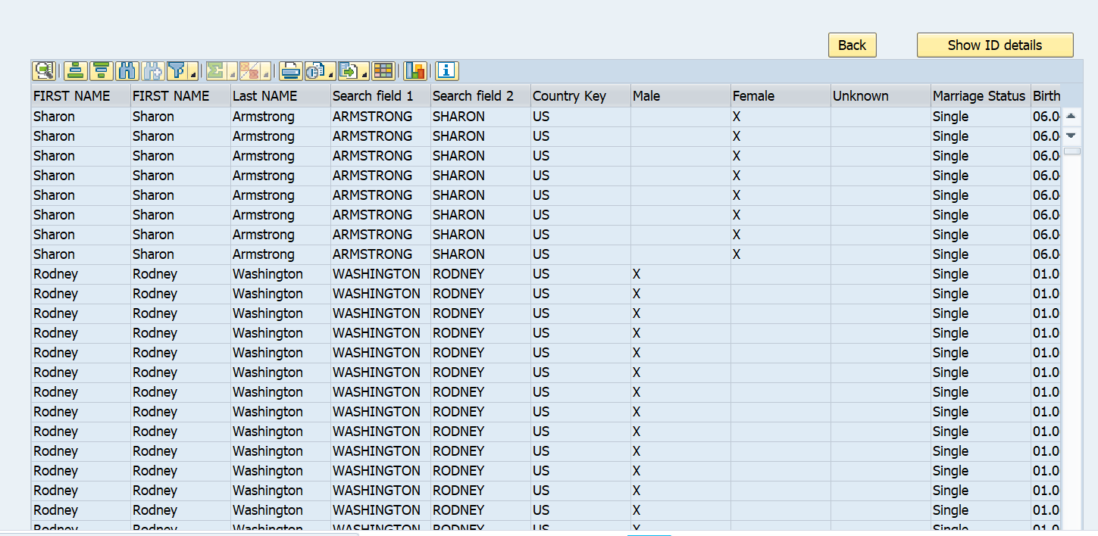
8 | On clicking the cancel button it will jump to selction screen directly
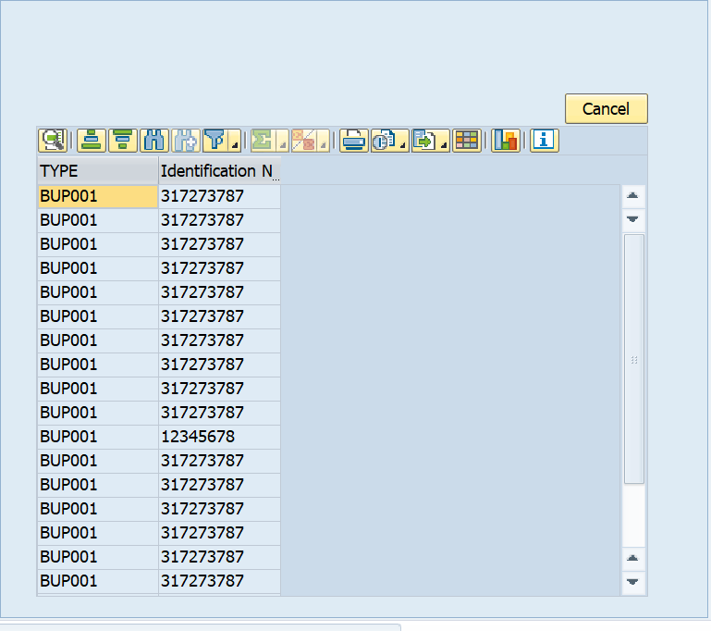

Functionality:
 | T-code : | BP

Logic to retrieve data from tables
 | How to retrieve data from Table?

 | A) To display data from ( BUT000 - partner, name_last, name_first, bu_sort1, bu_sort2, namcountry, xsexm, xsexf, xsexu, marst, birthdt, emplo, bpext ) & ( BUT0ID - type, idnumber)

ALV
Selection Criteria
Business Partner Number | Mandatory | Single selection
Creation Date | Mandatory | Single selection

Case – 1:
Selection Method: | Business Partner Number | 0000008889 to TR1002
 | Creation Date | 23.10.2002 to 06.02.2014

Expected Result: | ALV display with 13 fields : | First name of business partner (person)
 |  | First name of business partner (person)
 |  | Last name of business partner (person)
 |  | Search term 1 for business partner
 |  | Search field 2
 |  | Country Key
 |  | Selection: Business partner is male
 |  | Selection: Business partner is female
 |  | Selection: Sex of business partner is no
 |  | Marital Status of Business Partner
 |  | Date of Birth of Business Partner
 |  | Name of Employer of a Natural Person
 |  | Business Partner Number in External Syst

Case - 2:
Click on 'Back' Button

Expected result: | Display the main selection screeen

Case - 3:
Click on 'Show ID details' button of ALV

Expected result: | ALV display with 2 fields : | ID Type
 |  | ID number

Case - 4:
Click on 'Cancel' push button of second ALV

Expected result: | Display the first (main slection screen) screen

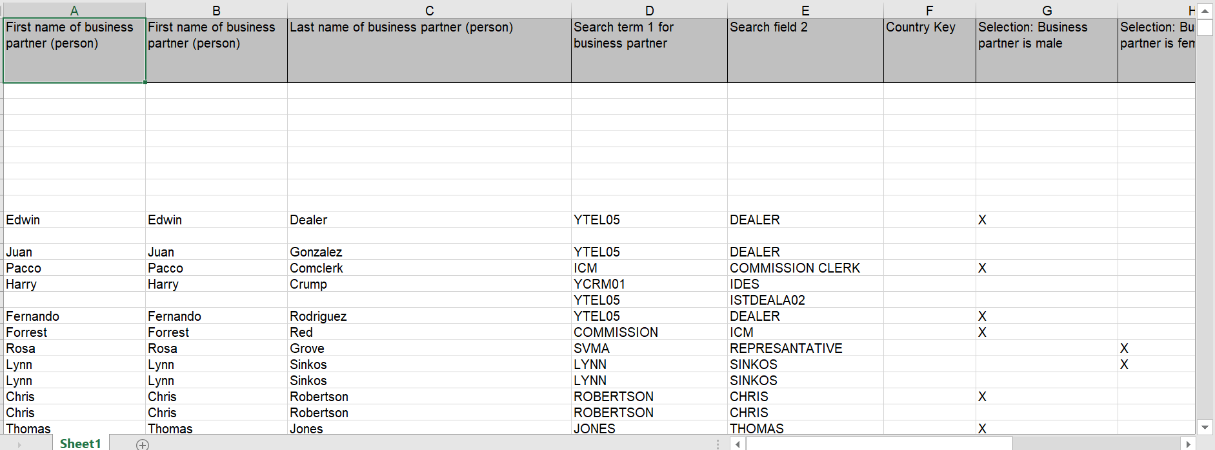
 | ALV Report Downloaded for the Business partner Details:

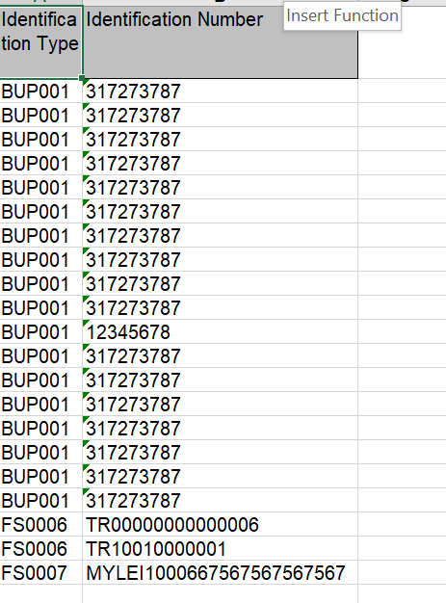
 | ALV Downloaded for the Identification type and Number:

